Instructions
How to Run OnTheMap to Fill Out The Data Fields
These instructions are based on DeKalb County, GA and three of its cities: Decatur, Dunwoody, and Chamblee

DATA FOR THE COUNTY INPUTS SHEET
1. Go to http://lehdmap.did.census.gov/

2. In the search box, type in the county name and then choose the county from the list

3. The map of the county comes up with a dialog box in the middle that has a link to
"Perform Analysis on Selection Area". Click this link
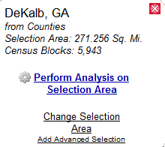

4. Run the Inflow/Outflow analysis with Work, 2009, and Primary Jobs as shown in the graphic below.
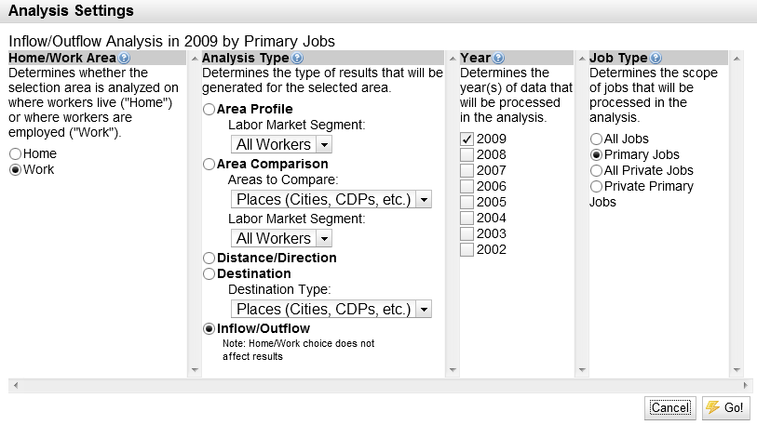

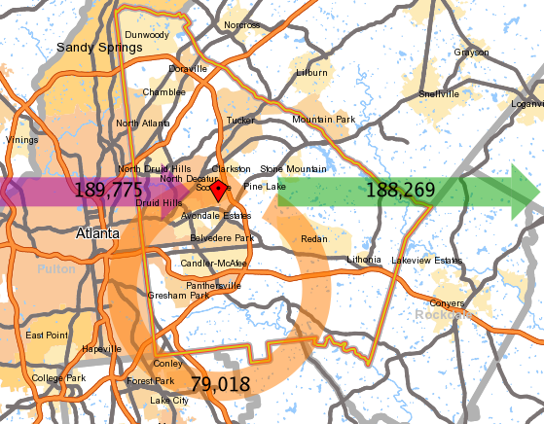
5. In the page that appears you'll see a graphic showing inflow to the county (189,775), residents who hold jobs in the county (79,018),
and residents who commute to jobs outside the county (188,269). To the right and down is a table like the following that
shows the number of jobs (Employed in the Selection Area) and the number living and working in the county (Employed
and Living in the Selection Area). Put these two values in cells B5 and B6 of the County Inputs sheet, respectively. Then click on
the Change Settings link in the bottom left hand corner.
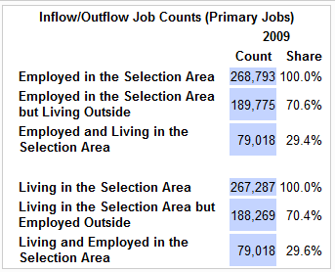

6.Click on the Destination button and choose Places (Cities, CDPs, etc.) and click the Go! button. In the new page
that displays, you get only the top 10 cities that hold jobs in the county. If the cities you want to include are
not in the list, then click the "Top 10" drop down in the upper left hand corner to change it to "Top 25" and see
if your cities appear in the list. If not, they may not be large enough to include in this analysis. The top 10
for DeKalb are shown below and only Dunwoody and Decatur appear in the list, so you would want to
expand the list to the top 25 or even top 50 to find Chamblee. Put the values for the three cities in cells B9 through
B11 of the County Inputs sheet, using Decatur, Chamblee, and Dunwoody, as city 1, 2, and 3, respectively.
Then click on the Change Settings link in the bottom left hand corner.
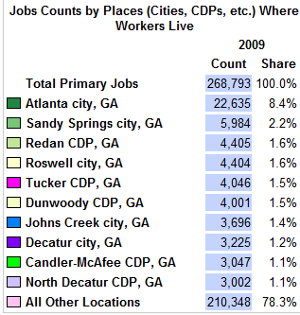

That gives you all the data you need for the County Inputs sheet.

DATA FOR THE CITY INPUTS SHEET

1. If you've just finished the County Input sheet figures, then close the Results tab by clicking the X. This puts you
back at the beginning where you choose the first city to gather data for. Put in Decatur and click Search. Choose
Decatur, GA from the list and do the same thing as you did for the county from steps 3-6. The inflow/outflow analysis
gives you values for cells B5 and B6 in the City Inputs sheet. Running the Destination report for Places will
give you the figures for each city you are including (in our example Decatur, Chamblee, and Dunwoody). These values
go in cells B12, B13, and B14, for the three cities. Lastly, run the Destination analysis with County to get
a value for cell B9.

2. Repeat step 1 for each city running the Inflow/Outflow, the Destination with Places, and the Destination with County
analyses to get all the figures you need for each of the other two cities.

